160919
 |  |  | Customer Visit Report |  |  |  |  |  |  |  |  |  |  |  |  |  |  |  |  | MM-IN-RD-9100-P06-04
 |  |  |  |  |  |  |  |  |  |  |  |  |  |  |  |  |  |  |  | Rev: 1

Customer: |  |  |  | Rohm Thailand |  |  |  |  |  |  |  |  |  | Date: |  |  | 19-Sep-16 | Time: | 9:30:00
Participant From Maruwa |  |  |  |  |  |  |  |  |  | Participant From Organizer |  |  |  | Report To
 | 1. | Rosli Ahmad |  |  |  |  |  | RID |  |  | 1. | Ms.Jinda, Ms.Pimpawee | Purchasing |  | 1. | Mr. Anthony, Mr.Ogawa, Mr.Sukenari
 | 2. | Mr. Sivakumar |  |  |  |  |  | QA |  |  | 2. | Mr. Yoichi Goto | Technical Adv |  | 2. | GM - Mr. Sinna, Mr. Naga,Mr. Siva
 | 3. | Mr. Itaya |  |  |  |  |  | QA |  |  | 3. | Mr. Sathiy Nakarin | QC Dept. |  | 3. | QA - Mr. Izumo, Mr. Inagaki
 | 4 |  |  |  |  |  |  |  |  |  | 4 |  |  |  | 4 | PC - Mr. Suresh, Ms. Marliana
Customer Satisfaction Questionaire
Sales & Service (1-5 Points) |  |  |  |  |  |  |  |  |  | Production Service (1-5 Points) |  |  |  | Quality Service (1-5 Points)

 |  | on-time response to inquiry |  |  |  |  |  |  |  |  |  | comply to CRD (date and qty) |  |  |  | good product quality
 |  | good communication frequency |  |  |  |  |  |  |  |  |  | early info of recovery schedule |  |  |  | on-time inspection report
 |  | early and sufficient information |  |  |  |  |  |  |  |  |  | sufficient quantity supply |  |  |  | quick response to quality claim
 |  | on-time invoice & packing list |  |  |  |  |  |  |  |  |  | packaging to protect damage |  |  |  | on-ime 8D report reply
 |  | Total |  |  |  |  |  |  |  |  |  | Total |  |  |  | Total

Customer Visit Agenda
RID & CSID |  |  |  |  |  |  |  |  |  | Center Of Excellence |  |  |  | QAID

 | 1. | Cust. new project or product |  |  |  |  |  |  |  |  | 1. | 3 months order forecast |  |  | 1. | Quality issues & 8D report
 | 2. | Customer satisfaction level |  |  |  |  |  |  |  |  | 2. | Re-covery delivery schedule |  |  | 2. | New Quality issues
 | 3. | Maruwa share % & price |  |  |  |  |  |  |  |  | 3. | Cust. capacity & actual usage |  |  | 3. | Customer production yield
 | 4. |  |  |  |  |  |  |  |  |  | 4. | Del. Schedule & balance order |  |  | 4. | Competitors quality status
 | 5. |  |  |  |  |  |  |  |  |  | 5. | Others rank proposal |  |  | 5.

Agenda |  |  |  |  |  |  |  |  |  |  |  |  |  |  |  |  | Follow-Up
 | R1532LRW crack |  |  |  |  |  |  |  |  |  |  |  |  |  |  |  | PIC |  |  | Due Date
 | ■ | Lot LM26 4Kpcs effected had been ussed in production.
 | ■ | Others lot or stock IQA passed.
 | ■ | Root cause from white product cuurent crack inspection not detect crack 100%.
 |  | Change inspection method(increase numbers of inspection step) and found 0.5%
 |  | white crack. This been re-confrim with re-color inspection.
 | ■ | Master carton inspection also will be same new inspection method.

 | SA-10AThickness NG
 | ■ | AS-10A 0.1T thickness found 0.065T thickness (60*70*0.065T) Lot. No. LM39
 |  | found in process. RIST still have stock 53,870pcs remain stock can't be use need
 |  | to sorting/return. Daily usage 1,300pcs.
 | ■ | Countermeasure lot sent on 15-Sep ETA RIST 19-Sep only can last for 15 days.
 |  | RIST will have line down if wait next shipment 26-Sep (ETA 30-Sep) 20,820pcs.
 | ■ | We agreed some quantity will be return and others will be sorting 100% in RIST.
 |  | Lot No. |  |  | Quantity
 |  | LL05 |  |  |  | 3,840
 |  | LM59 |  |  |  | 13,440 | ==> |  | total 17,280pcs will be return by 23-Sep AIR/DHL.
 |  |  |  |  |  |  |  |  | Issue CN for internal. RIST issue p/o if need qty.
 |  | LL75 |  |  |  | 3,900
 |  |  |  |  |  | 32,690 | ==> |  | total 36,590pcs rework (weight check) in RIST.
 |  |  |  |  |  |  |  |  | proposa date on 28/29-Sep.
 | ■ | SA-10A, SA18A and 60*70*0.065T sharing mould with SA-10A. C/measure to
 |  | have individual mould to avoid mix product. SA-18A propose additional index
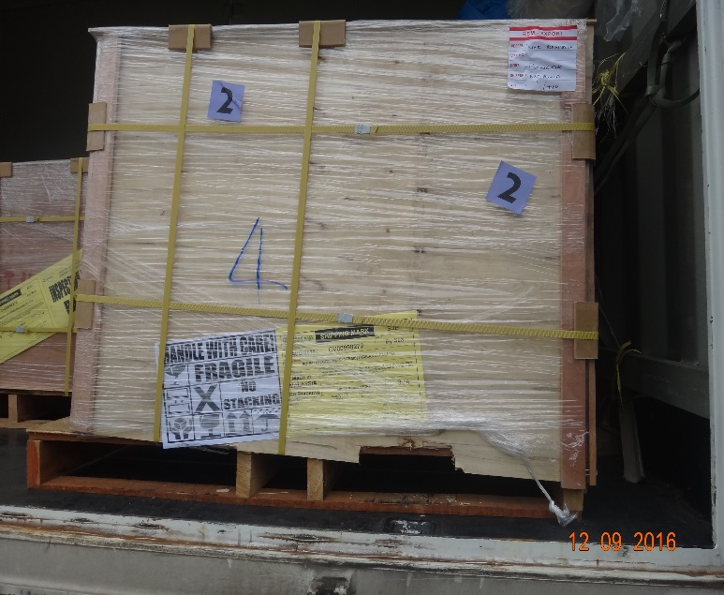
 |  | and 60*70*0.065T remove t/hole. Proposal to Rohm Kyoto.
 | ■ | Thickness measurment machine (after gating before visual). Machine coming W3
 |  | and new lot shipment in Nov. Also ranking machine sensor to ditect thickness
 |  | under study.

 | Cargo Damage CV98272S/290816
 | ■ | Pallet No.3 plywood out from pallet and damage by forklift. Goods ok but request
 |  | for improvement from next shipment 26-Sep.
 |  | Need to send improvement photo ASAP to RIST

 | Full carton packing
 | ■ | Mr. Goto request Maruwa to reconsider to fully maximiza empty area on carton
 |  | with product. Current carton box have empty area on left/right as crack protection
 |  | BUT compare with ECT polyfoam are full with product and well protected.

Conclusion & Opinion

